WPR_Report_1_Summaries
Name | file type | Notes
TANFXX_summary_FY202X | Rich Text | Monthly summary tables for
SSPXX_summary_FY202X | Rich Text | cases in WPRs

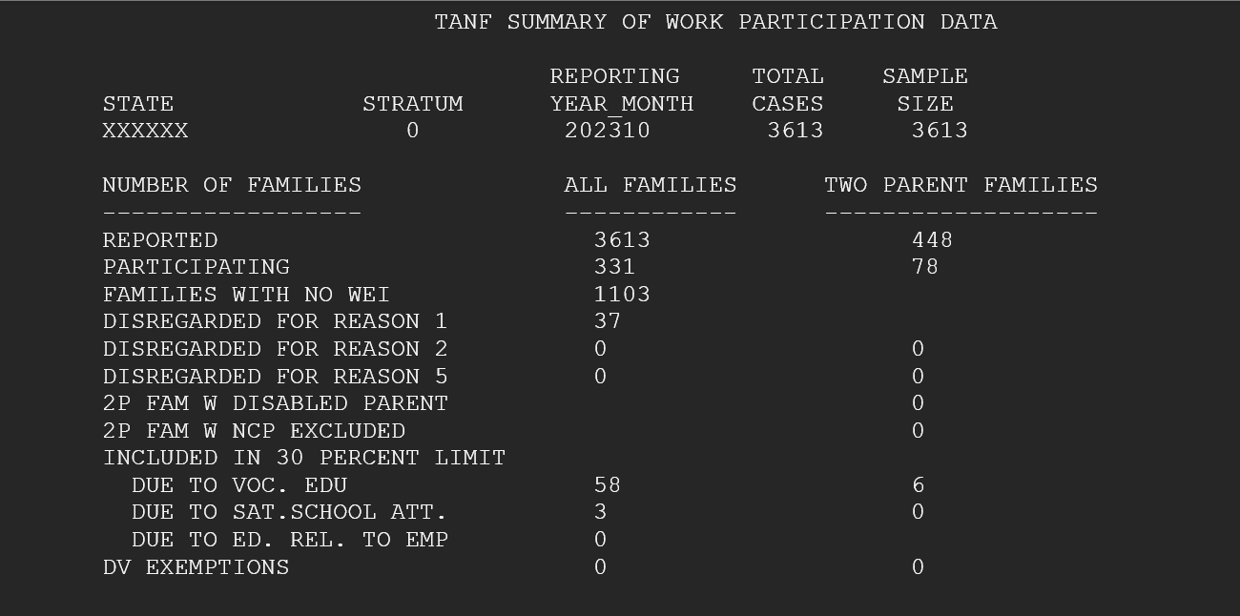
XX: Fips_code of state

WPR_Report_2_Errorflags
Name | file type | Notes
TANFXX_EF_FY202X | pdf | if state didn't have any errorflag, this wouldn't be
SSPXX_EF_FY202X | pdf | generated

XX: Fips_code of state

Variable Dictionary
FIPS | = | Fips Code
rpt_month_year | = | Report Year Month
STRATUM | = | Stratum
CASEID | = | Case Number
TYPE_FAM | = | Type of Family in Particiaption (state reported)
ftype | = | Type of Family in Particiaption (OFA based on #of WEI)
N_WEI | = | # of Work Eligible Individuals
NWORK | = | =1 means met All-Family WPR
AF_WEI | = | Work Eligible Indicator
AF_famaff | = | Family Affiliation
af_age | = | adult's age
af_parent | = | if is a parent in 2P family, all-family, or not a parent
af_wps | = | Work Particiaption Status
AF_SSI | = | $ of SSI
AF_RECSSI | = | Recived SSI Yes/No
sanc_amt | = | $ amount of Sanction
work_SANC | = | Work sanction Yes/No
af_ncp | = | Non custodial Parent Yes/No
af_citz | = | Citizen/Alien status
youngest | = | the age of the youngest child
NDVEXEM | = | if exempt due to Domestic Violence
AFERRFG | = | All-family Errorflag for WPR
TPWORK | = | =1 means met 2P-Family WPR
p1_age | = | Age of the 1st parent
p1_wei | = | Work Eligible Indicator for 1st Parent
p1_wps | = | Work Particiaption Status for 1st parent
p2_age | = | Age of the 2nd parent
P2_wei | = | Work Eligible Indicator for 2nd Parent
p2_wps | = | Work Particiaption Status for 1st parent
TPERRFG | = | 2P-family Errorflag for WPR

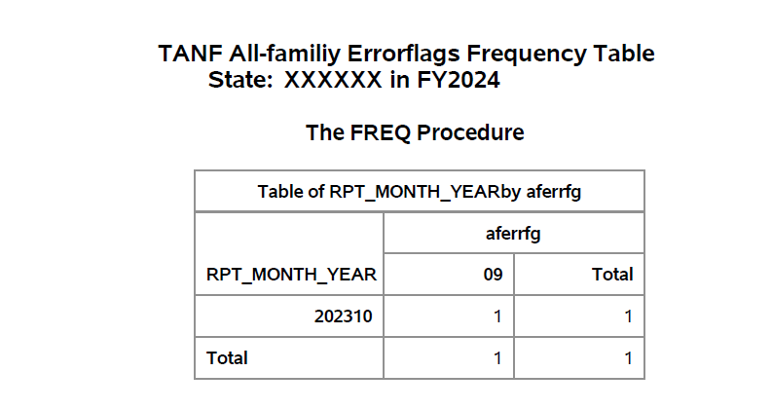

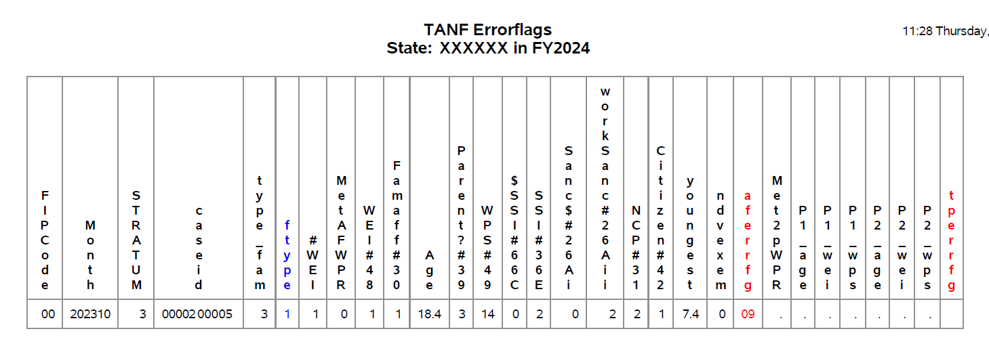

Explanations for WPR errorflags of all-family and two-parent family

WPR_Report_3.0 Zero_payment
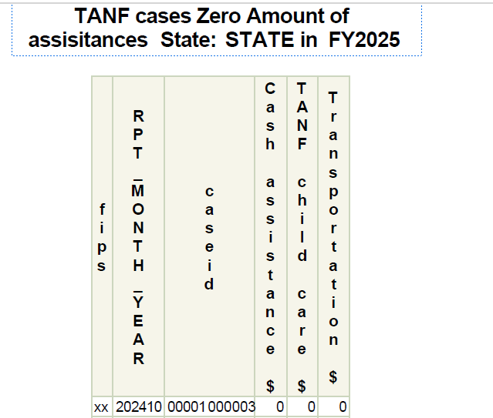
Name | file type | Notes
TANFXX_review_FY202X | pdf | Zero Payment
SSPXX_review_FY202X | pdf | Table 3.0

Variable Dictionary
FIPS | = | Fips Code
rpt_month_year | = | Report Year Month
CASEID | = | Case Number
Cash assistance $
TANF child care $
Transportation $

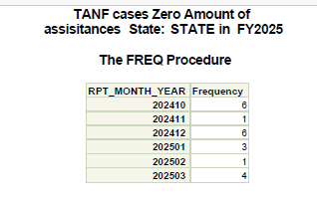
XX: Fips_code of state

WPR_Report_3.1 EA or 3.2 HL
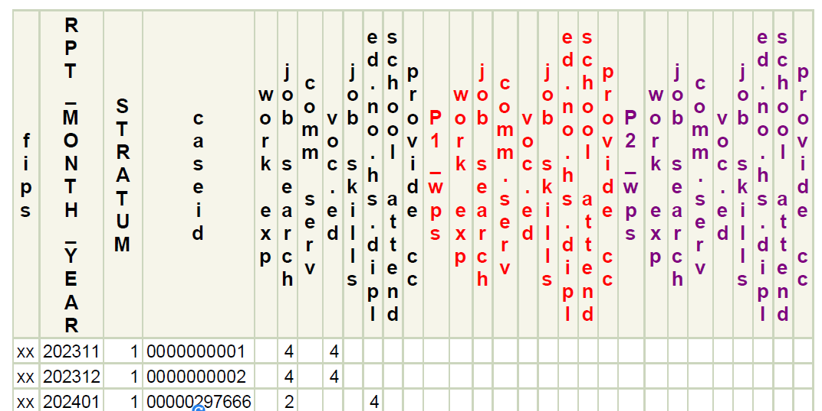
Name | file type | Notes | Name | file type | Notes
TANFXX_review_FY202X | pdf | Excuse Absence> 4 hours | TANFXX_review_FY202X | pdf | Holiday Hours > 4 or 6 hours
SSPXX_review_FY202X | pdf | Table 3.1 | SSPXX_review_FY202X | pdf | Table 3.2

Variable Dictionary
FIPS | = | Fips Code
rpt_month_year | = | Report Year Month
STRATUM | = | Stratum
CASEID | = | Case Number
work exp | = | Work Experience
job search | = | Job Search and Job Readiness Assistance
comm serv | = | Community Service Programs
voc.ed | = | Vocational Educational Training
job skills | = | Job Skills Training
ed.no.hs.dipl | = | Education Directly Related to Employment for Individuals With No High School Diploma or Certificate of High School Equivalency
school attend | = | Satisfactory School Attendance for Individuals With No High School Diploma or Certificate of High School Equivalency
provide cc | = | Providing Child Care Services to an Individual who is participating in a Community Service Program

XX: Fips_code of state
P1 - Parent 1 in 2P family
P2 - Parent 2 in 2P family

WPR_Report_3.3 work hours>80

Name | file type | Notes
TANFXX_review_FY202X | pdf | Table 3.3
SSPXX_review_FY202X | pdf | total work hours over 80/week

Variable Dictionary
FIPS | = | Fips Code
rpt_month_year | = | Report Year Month
STRATUM | = | Stratum
CASEID | = | Case Number
unsub employ | = | Unsubsidized Employment
sub.priv.employ | = | Subsidized Private-Sector Employment
sub.pub.employ | = | Subsidized Public-Sector Employment
work exper | = | Work Experience
ojt | = | On-the-Job Training
job search | = | Job Search and Job Readiness Assistance
comm.serv | = | Community Service Programs
voc ed | = | Vocational Educational Training
job skills | = | Job Skills Training
ed.no.hs | = | Education Directly Related to Employment for Individuals With No High School Diploma or Certificate of High School Equivalency
school attend | = | Satisfactory School Attendance for Individuals With No High School Diploma or Certificate of High School Equivalency
provide cc | = | Providing Child Care Services to an Individual who is participating in a Community Service Program
other activ | = | Other Work Activities

XX: Fips_code of state
P1 hours - Parent 1's hours in 2P family
P2 hours - Parent 2's hours in 2P family

WPR_Report_3.4 Disregarded_part
Name | file type | Notes
TANFXX_review_FY202X | pdf | Table 3.4. Cases that WPS coded as disregarded
SSPXX_review_FY202X | pdf | but met All family or 2P family Work requirement

Variable Dictionary
FIPS | = | Fips_code
rpt_month_year | = | Report Year Month
STRATUM | = | Stratum code
CASEID | = | Case Number
TYPE_FAM | = | Type of Family
ftype | = | Family Type in Particiaption calculated
N_WEI | = | Number of Work-Eligible Individuals
NWORK | = | 1 means counted as participating for overall rate
AF_WPS | = | Work Participation Status
NDCRD_PART | = | 1 means disregarded but met all-family WPR
TPWORK | = | 1 means counted as participating for 2P rate
P1_WPS | = | Parent 1's Work Participation Status
P2_WPS | = | Parent 2's Work Participation Status
TPDCRD_PART | = | 1 means disregarded but met 2P WPR

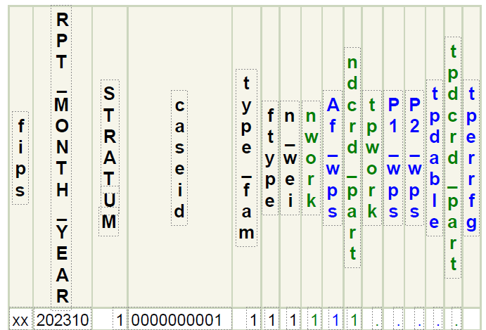
XX: Fips_code of state

TL_Report_1_Months Distribution
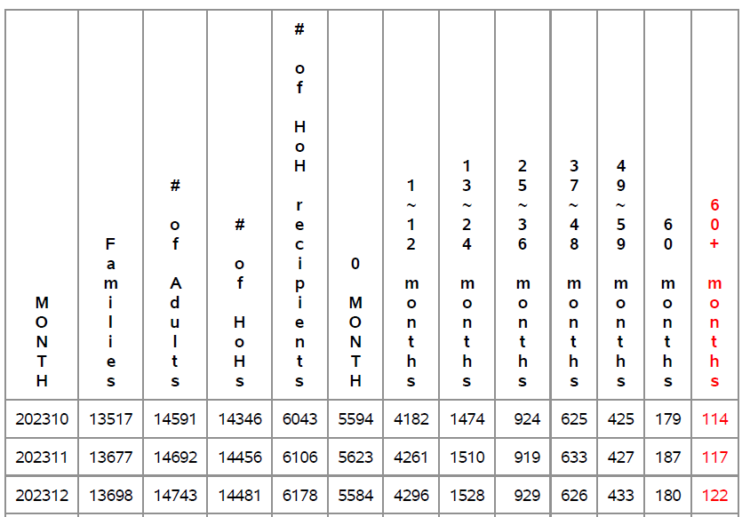
Name | file type | Notes
TIMELIMxx_FY202X | pdf | Table 1 - Received Federal TANF Assistance Months

Variable:
MONTH | = | Report year and month
Families | = | Total families
# of Adults | = | Numbers of adults
# of HoHs | = | Numbers of Head-of-Households
# of HoH recipients | = | Number of Head-of-Household recipients
0 Month | = | Received 0 month
1~12 Months | = | Received 1-12 months
13~24 Months | = | Received 13-24 months
25~36 Months | = | Received 25-36 months
37~48 Months | = | Received 37-48 months
49~59 Months | = | Received 49-59 months
60 Months | = | Received 60 months
60+ Months | = | Received over 60 months

XX: Fips_code of state

TL_Report_2_exemptions
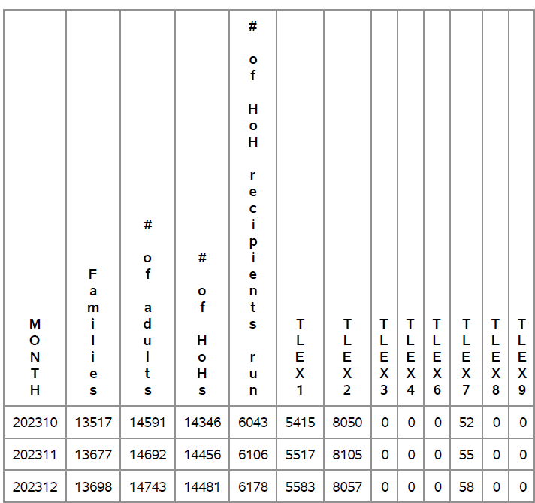
Name | file type | Notes
TLIMXX_EF_FY202X | pdf | Table 2 - Exemeptions

Variables:
MONTH | = | Report year and month
Families | = | Total families
# of Adults | = | numbers of adults
# of HoHs | = | numbers of Head-of-Households
# of HoH recipients | = | number of Head-of-Household recipients
TLEX1 | = | Not exempt
TLEX2 | = | Non-HoH, exempt
TLEX3 | = | Exempt, 60 or less months use state fund
TLEX4 | = | Exempt, 60 or less months in indian country
TLEX6 | = | Exempt, 60+ months use state fund
TLEX7 | = | Exempt, 60+ months due to hardship
TLEX8 | = | Exempt, 60+months due to domestic violence
TLEX9 | = | 60 or less months in Indian country
*TLEXn - is the time-limit exempt after TL errorflags are corrected. The totals of each category can be different from the totals based on what states reported to item#28
XX: Fips_code of state

TL_Report_3_Errorflags
Name | file type | Notes
TIMELIMXX_FY202Y | pdf | Table 3 -TL Errorflags

RPT_MONTH_YEAR | = | Report year and month
CASEID | = | CASEID
type_fam | = | type_family in Participation
Funding | = | Funding stream
FED_Months | = | Fed Timelimit Exemption
Family affiliation | = | Family affiliation
HoH | = | Head-of-household/spouse of HoH
FED_Months | = | Months Received Fed Assistance
TLERRFG | = | TimeLimit Errorflag

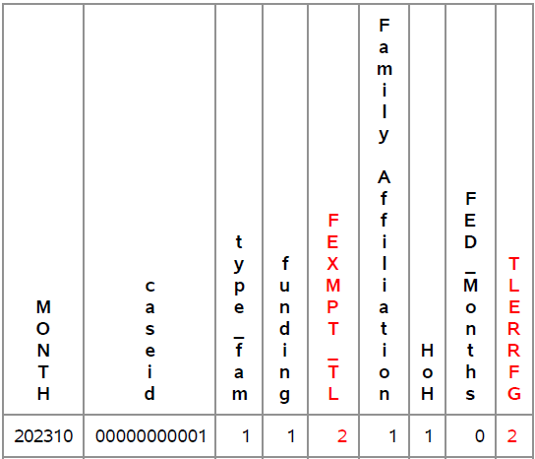

XX: Fips_code of state

TLERRFG | Explanation and fix
1 | item#28 federal time limit exemption is out of range, should be 01, 02, 03, 04, 06, 07, 08, or 09; or item#28=01 but federal time limit (item#44) more than 60 months Correction: If number of months countable toward federal time limit (item#44) more than 60 months, and Funding stream item#8 =1 Federal-funded #item 28 should be “07”; if Funding stream item#8 =2 state funded, #28 should be 06. If less than or equal to 60 months and and Funding stream item#8 =1 Federal-funded #item 28 should be “01”; if Funding stream item#8 =2 state funded, #28 should be 03.
2 | there is at least one head-of-household (or spouse of the head-of-household) (item#38 =1 or 2) receiving assistance(item#30=1), item#28 can’t be = “02”. Correction: If number of months countable toward federal time limit (item#44) more than 60 months, #item 28 should be “07”; if less than or equal to 60 months item#28 should be “01”.
3 | item #28 = “03” or “06” but funding stream (item #8) is not “02”. Correction: If number of months countable toward federal time limit (item#44) more than 60 months, #item 28 should be “07”; if less than or equal to 60 months item#28 should be “01”.
4 | item #28 = “04” but the number of countable months (item#44) is greater than 60. Correction: item#28 should be “09”
5 | If item #28 = “07”, “08” but the number of countable months (item#44) is less than or equal to 60. Correction: item#28 should be “01”. If item#28=”09” and number of months countable toward federal time limit (item#44) less than or equal to 60 months. Correction: item#28 should be “04”

Note: Corrections are how OFA handles the errors

TL_Report_4_Over60Months
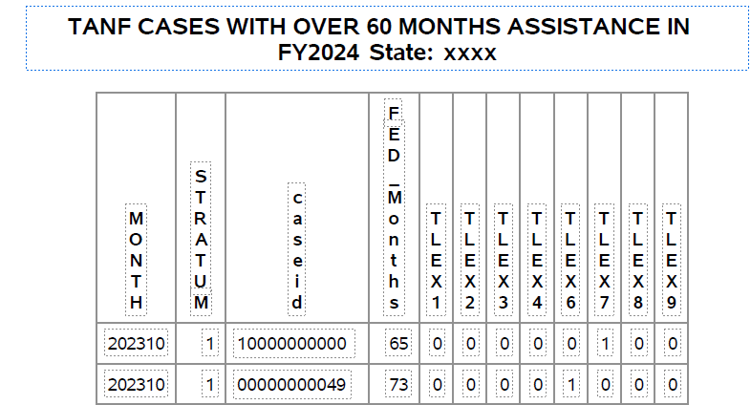
Name | file type | Notes
TIMELIMXX_FY202Y | pdf | Table 4 -list of cases that had 60+ months

Variables
RPT_MONTH_YEAR | = | Report year and month
STRATUM | = | Stratum
CASEID | = | Case Number
FED_Months | = | Months Received Fed Assistance
TLEX1-TLEX4, | = | Time-limit exempt
TLEX6-TLEX9
XX: Fips_code of state

